생산오더 고객화면 Exit
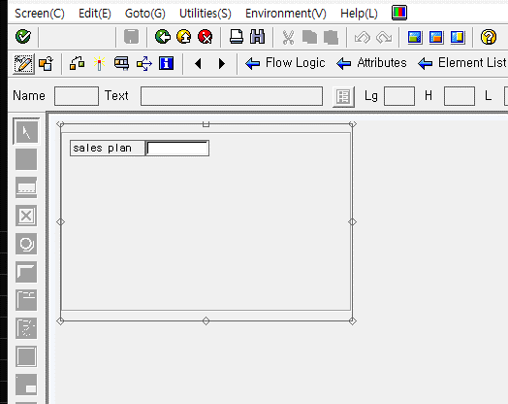
* 생산오더(CO01) 고객화면 Z 필드 추가
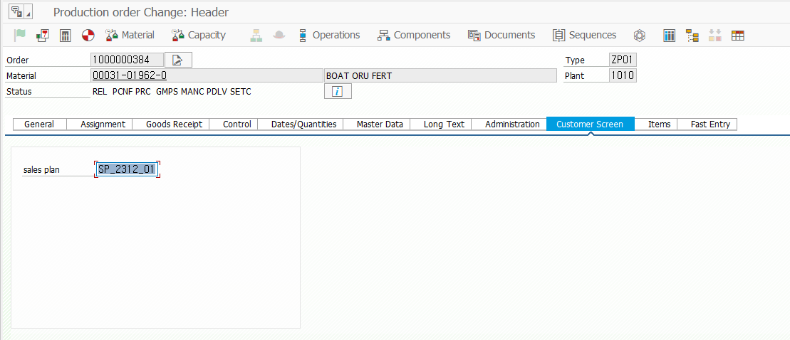

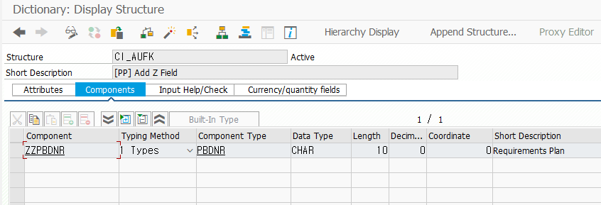

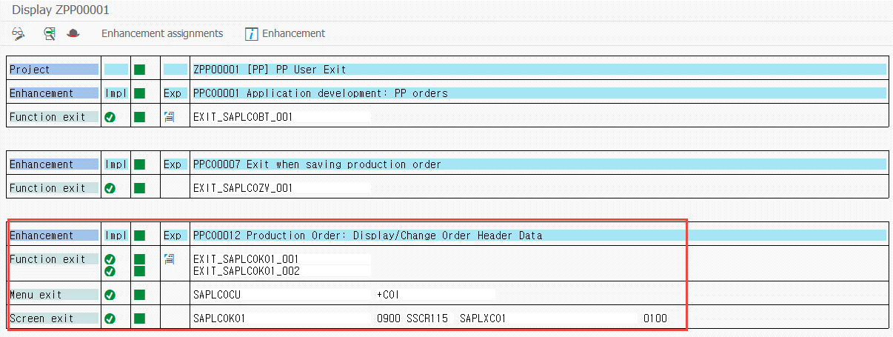

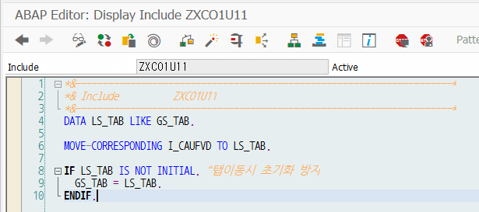
 | DATA LS_TAB LIKE GS_TAB.

 | MOVE-CORRESPONDING I_CAUFVD TO LS_TAB.

 | IF LS_TAB IS NOT INITIAL. "탭이동시 초기화 방지
 | GS_TAB = LS_TAB.
 | ENDIF.

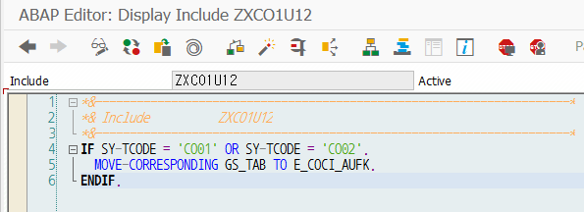
 | IF SY-TCODE = 'CO01' OR SY-TCODE = 'CO02'.
 | MOVE-CORRESPONDING GS_TAB TO E_COCI_AUFK.
 | ENDIF.

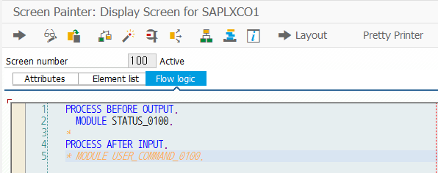
 | MODULE STATUS_0100 OUTPUT.
 | * SET PF-STATUS 'xxxxxxxx'.
 | * SET TITLEBAR 'xxx'.
 | LOOP AT SCREEN.
 | IF SY-TCODE EQ 'CO03'.
 | SCREEN-INPUT = 0.
 | MODIFY SCREEN.
 | ENDIF.
 | ENDLOOP.
 | ENDMODULE.

생산오더 Exit
* 생산오더 상태 변경 유무 업데이트 Exit
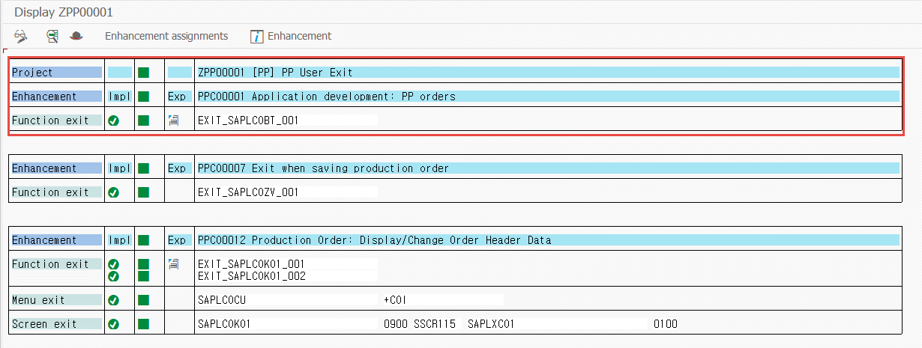

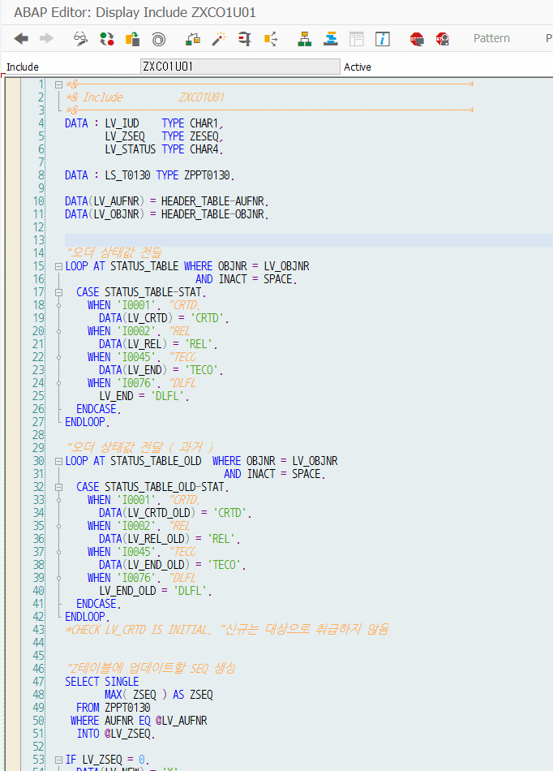
 |  | DATA : LV_IUD TYPE CHAR1,
 |  | LV_ZSEQ TYPE ZESEQ,
 |  | LV_STATUS TYPE CHAR4.

 |  | DATA : LS_T0130 TYPE ZPPT0130.

 |  | DATA(LV_AUFNR) = HEADER_TABLE-AUFNR.
 |  | DATA(LV_OBJNR) = HEADER_TABLE-OBJNR.

 |  | "오더 상태값 전달
 |  | LOOP AT STATUS_TABLE WHERE OBJNR = LV_OBJNR
 |  | AND INACT = SPACE.
 |  | CASE STATUS_TABLE-STAT.
 |  | WHEN 'I0001'. "CRTD.
 |  | DATA(LV_CRTD) = 'CRTD'.
 |  | WHEN 'I0002'. "REL
 |  | DATA(LV_REL) = 'REL'.
 |  | WHEN 'I0045'. "TECO
 |  | DATA(LV_END) = 'TECO'.
 |  | WHEN 'I0076'. "DLFL
 |  | LV_END = 'DLFL'.
 |  | ENDCASE.
 |  | ENDLOOP.

 |  | "오더 상태값 전달 ( 과거 )
 |  | LOOP AT STATUS_TABLE_OLD WHERE OBJNR = LV_OBJNR
 |  | AND INACT = SPACE.
 |  | CASE STATUS_TABLE_OLD-STAT.
 |  | WHEN 'I0001'. "CRTD.
 |  | DATA(LV_CRTD_OLD) = 'CRTD'.
 |  | WHEN 'I0002'. "REL
 |  | DATA(LV_REL_OLD) = 'REL'.
 |  | WHEN 'I0045'. "TECO
 |  | DATA(LV_END_OLD) = 'TECO'.
 |  | WHEN 'I0076'. "DLFL
 |  | LV_END_OLD = 'DLFL'.
 |  | ENDCASE.
 |  | ENDLOOP.
 |  | *CHECK LV_CRTD IS INITIAL. "신규는 대상으로 취급하지 않음

 |  | "Z테이블에 업데이트할 SEQ 생성
 |  | SELECT SINGLE
 |  | MAX( ZSEQ ) AS ZSEQ
 |  | FROM ZPPT0130
 |  | WHERE AUFNR EQ @LV_AUFNR
 |  | INTO @LV_ZSEQ.

 |  | IF LV_ZSEQ = 0.
 |  | DATA(LV_NEW) = 'X'.
 |  | ENDIF.

 |  | ADD 1 TO LV_ZSEQ. " MAX 값에 + 1.

 |  | IF LV_REL IS NOT INITIAL AND LV_END IS INITIAL.
 |  | IF LV_NEW EQ 'X'.
 |  | LV_IUD = 'I'. "신규 전송( REL 상태값 )
 |  | LV_STATUS = LV_REL.
 |  | ELSE.
 |  | IF LV_ZSEQ EQ 1.
 |  | EXIT. "신규 전송이 존재하지 않고 U인 경우 SKIP
 |  | ELSE.
 |  | DATA(LV_VERID) = POSITION_TABLE-VERID.
 |  | DATA(LV_VERID_OLD) = POSITION_TABLE_OLD-VERID.

 |  | IF LV_REL NE LV_REL_OLD OR LV_END NE LV_END_OLD
 |  | OR LV_VERID NE LV_VERID_OLD.
 |  | LV_IUD = 'U'. "상태 변경 OR 라인변경
 |  | LV_STATUS = LV_REL.

 |  | ELSE.
 |  | EXIT. "생산 실적 입력, 취소 등에 대해서는 EXIT 처리 진행
 |  | ENDIF.
 |  | ENDIF.
 |  | ENDIF.

 |  | ELSEIF LV_REL IS INITIAL AND LV_END IS INITIAL.
 |  | EXIT. "CRTD 상태는 EXIT

 |  | ELSE.
 |  | IF LV_NEW EQ 'X'.
 |  | EXIT. "전송한적이 없는데. 종료 상태일 경우 SKIP.
 |  | ELSE.
 |  | LV_IUD = 'D'. "생산오더 종료로 판단
 |  | LV_STATUS = LV_END.
 |  | ENDIF.
 |  | ENDIF.

 |  | CHECK LV_IUD IS NOT INITIAL.

 |  | *-- 생산오더 전송을 위해 테이블에 저장
 |  | LS_T0130 = VALUE #( ZSEQ = LV_ZSEQ
 |  | AUFNR = LV_AUFNR
 |  | ORD_IUD = LV_IUD
 |  | ORD_STATUS = LV_STATUS
 |  | ERDAT = SY-DATUM
 |  | ERZET = SY-TIMLO
 |  | ERNAM = SY-UNAME ) .

 |  | TRY.
 |  | INSERT ZPPT0130 FROM LS_T0130.
 |  | CATCH CX_SY_OPEN_SQL_DB INTO DATA(L_OREF).
 |  | DATA(L_TEXT) = L_OREF->GET_TEXT( ).
 |  | ENDTRY.

* 생산오더 저장 제한 조건 Exit
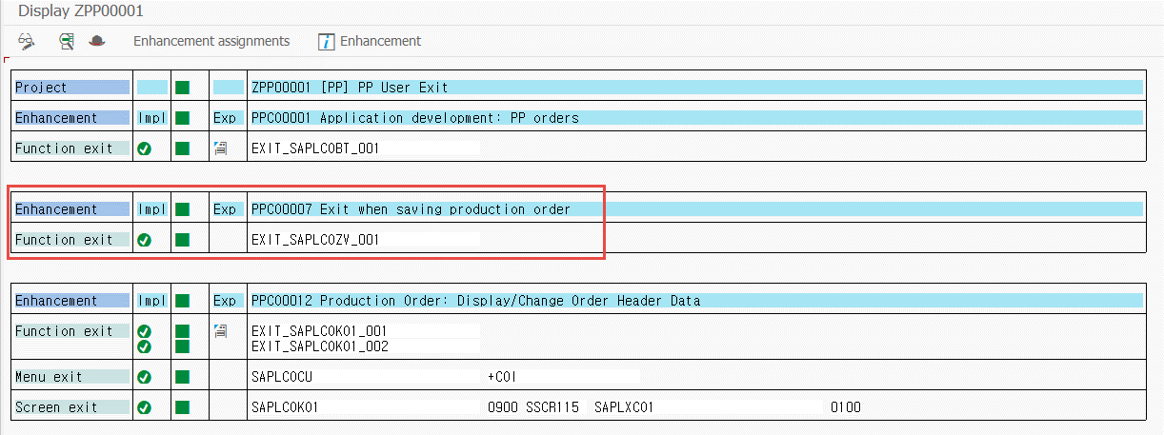

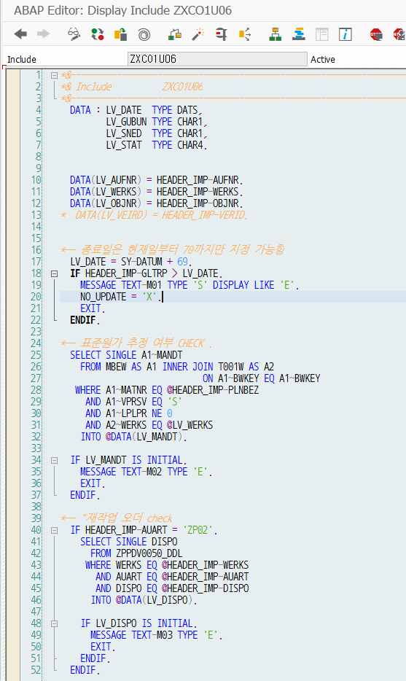
 | DATA : LV_DATE TYPE DATS,
 | LV_GUBUN TYPE CHAR1,
 | LV_SNED TYPE CHAR1,
 | LV_STAT TYPE CHAR4.

 | DATA(LV_AUFNR) = HEADER_IMP-AUFNR.
 | DATA(LV_WERKS) = HEADER_IMP-WERKS.
 | DATA(LV_OBJNR) = HEADER_IMP-OBJNR.
 | * DATA(LV_VEIRD) = HEADER_IMP-VERID.

 | *-- 종료일은 현재일부터 70까지만 지정 가능함
 | LV_DATE = SY-DATUM + 69.
 | IF HEADER_IMP-GLTRP > LV_DATE.
 | MESSAGE TEXT-M01 TYPE 'S' DISPLAY LIKE 'E'.
 | NO_UPDATE = 'X'.
 | EXIT.
 | ENDIF.

 | *-- 표준원가 추정 여부 CHECK .
 | SELECT SINGLE A1~MANDT
 | FROM MBEW AS A1 INNER JOIN T001W AS A2
 | ON A1~BWKEY EQ A1~BWKEY
 | WHERE A1~MATNR EQ @HEADER_IMP-PLNBEZ
 | AND A1~VPRSV EQ 'S'
 | AND A1~LPLPR NE 0
 | AND A2~WERKS EQ @LV_WERKS
 | INTO @DATA(LV_MANDT).

 | IF LV_MANDT IS INITIAL.
 | MESSAGE TEXT-M02 TYPE 'E'.
 | EXIT.
 | ENDIF.

 | *-- "재작업 오더 check
 | IF HEADER_IMP-AUART = 'ZP02'.
 | SELECT SINGLE DISPO
 | FROM ZPPDV0050_DDL
 | WHERE WERKS EQ @HEADER_IMP-WERKS
 | AND AUART EQ @HEADER_IMP-AUART
 | AND DISPO EQ @HEADER_IMP-DISPO
 | INTO @DATA(LV_DISPO).

 | IF LV_DISPO IS INITIAL.
 | MESSAGE TEXT-M03 TYPE 'E'.
 | EXIT.
 | ENDIF.
 | ENDIF.

생산오더 Bapi Exit
* BAPI_PRODORD_CREATE (생산오더 생성 )
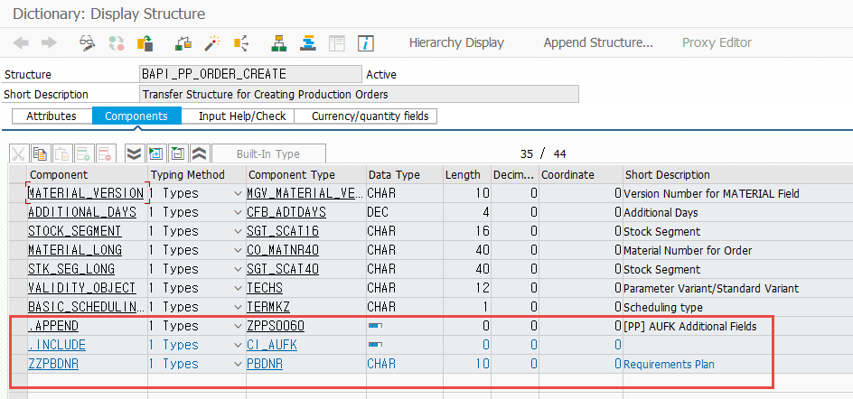
 | BAPI_PP_ORDER_CREATE 구조에 Z필드 추가

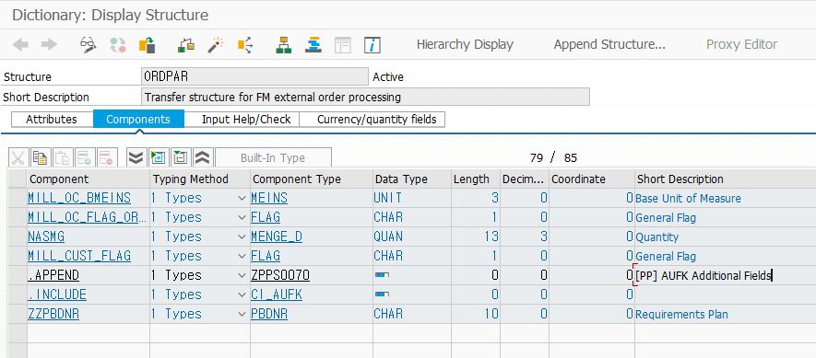

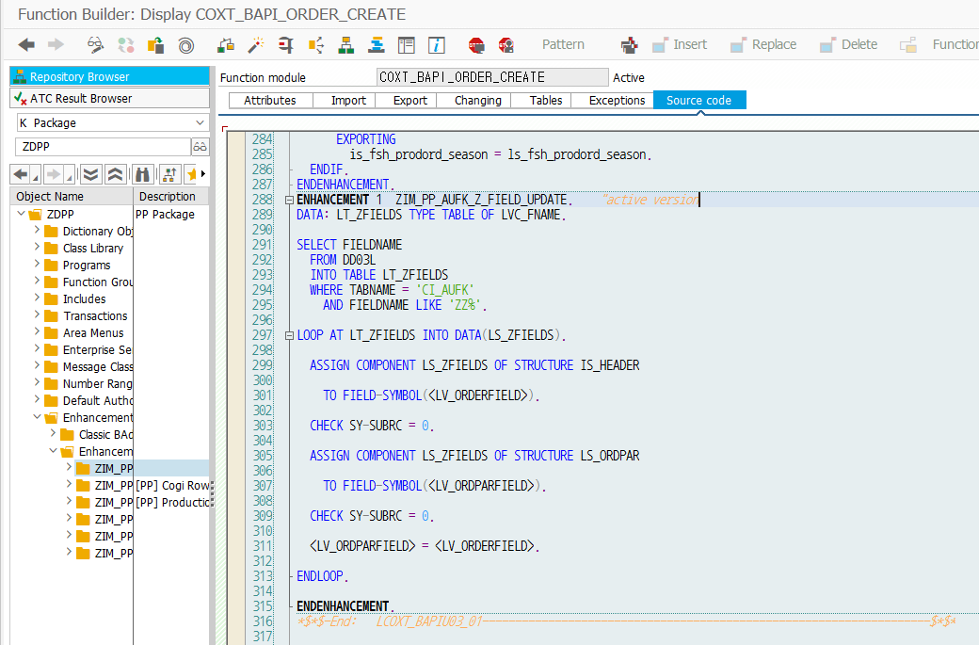
 | ENHANCEMENT 1 ZIM_PP_AUFK_Z_FIELD_UPDATE. "active version
 | DATA: LT_ZFIELDS TYPE TABLE OF LVC_FNAME.

 | SELECT FIELDNAME
 | FROM DD03L
 | INTO TABLE LT_ZFIELDS
 | WHERE TABNAME = 'CI_AUFK'
 | AND FIELDNAME LIKE 'ZZ%'.

 | LOOP AT LT_ZFIELDS INTO DATA(LS_ZFIELDS).

 | ASSIGN COMPONENT LS_ZFIELDS OF STRUCTURE IS_HEADER

 | TO FIELD-SYMBOL(<LV_ORDERFIELD>).

 | CHECK SY-SUBRC = 0.

 | ASSIGN COMPONENT LS_ZFIELDS OF STRUCTURE LS_ORDPAR

 | TO FIELD-SYMBOL(<LV_ORDPARFIELD>).

 | CHECK SY-SUBRC = 0.

 | <LV_ORDPARFIELD> = <LV_ORDERFIELD>.

 | ENDLOOP.

 | ENDENHANCEMENT.

생산오더 구성부품 Exit
* 생산오더 구성부품 추가 로직
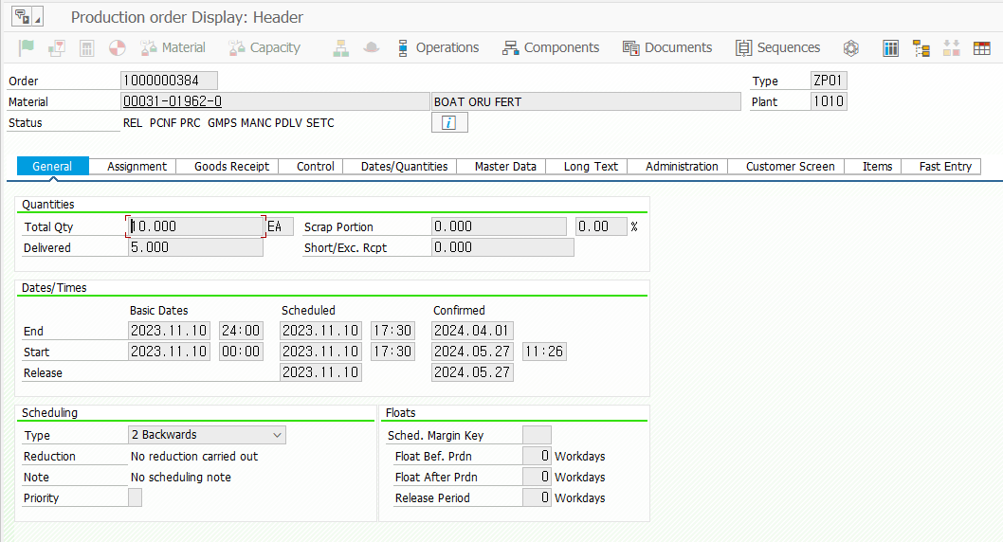

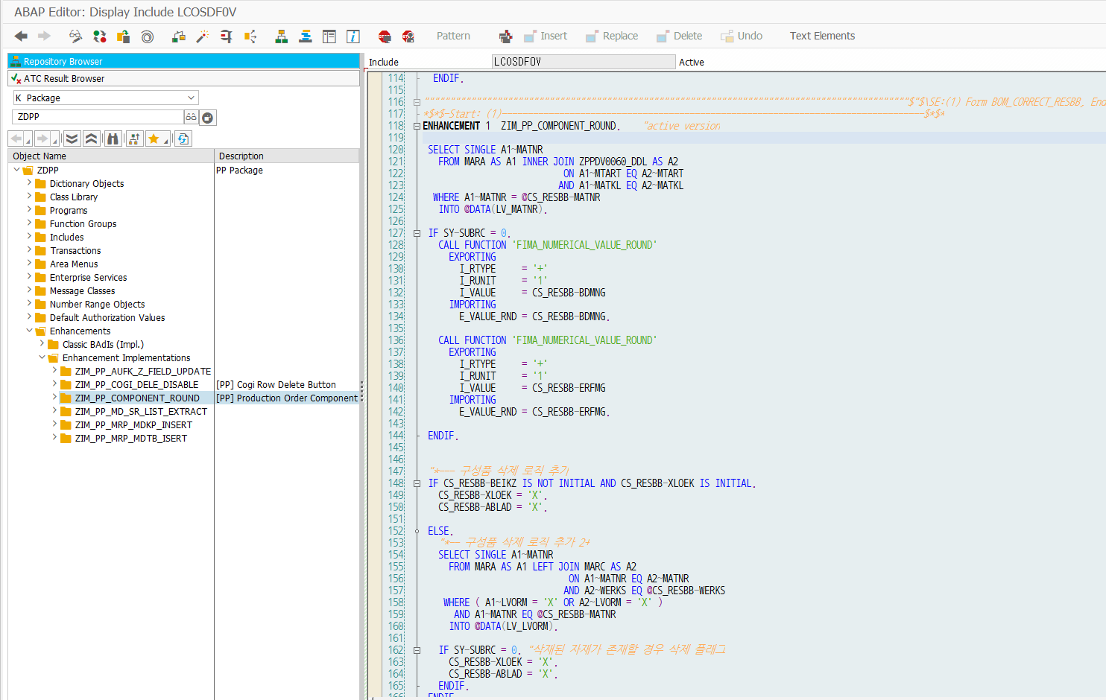
* 생산오더 구성부품 삭제 플레그 로직, 구성품 수량 반올림
 | *$*$-Start: (1)---------------------------------------------------------------------------------$*$*
 | ENHANCEMENT 1 ZIM_PP_COMPONENT_ROUND. "active version

 | SELECT SINGLE A1~MATNR
 | FROM MARA AS A1 INNER JOIN ZPPDV0060_DDL AS A2
 | ON A1~MTART EQ A2~MTART
 | AND A1~MATKL EQ A2~MATKL
 | WHERE A1~MATNR = @CS_RESBB-MATNR
 | INTO @DATA(LV_MATNR).

 | IF SY-SUBRC = 0.
 | CALL FUNCTION 'FIMA_NUMERICAL_VALUE_ROUND'
 | EXPORTING
 | I_RTYPE = '+'
 | I_RUNIT = '1'
 | I_VALUE = CS_RESBB-BDMNG
 | IMPORTING
 | E_VALUE_RND = CS_RESBB-BDMNG.

 | CALL FUNCTION 'FIMA_NUMERICAL_VALUE_ROUND'
 | EXPORTING
 | I_RTYPE = '+'
 | I_RUNIT = '1'
 | I_VALUE = CS_RESBB-ERFMG
 | IMPORTING
 | E_VALUE_RND = CS_RESBB-ERFMG.

 | ENDIF.

 | "*--- 구성품 삭제 로직 추가
 | IF CS_RESBB-BEIKZ IS NOT INITIAL AND CS_RESBB-XLOEK IS INITIAL.
 | CS_RESBB-XLOEK = 'X'.
 | CS_RESBB-ABLAD = 'X'.

 | ELSE.
 | "*-- 구성품 삭제 로직 추가 2+
 | SELECT SINGLE A1~MATNR
 | FROM MARA AS A1 LEFT JOIN MARC AS A2
 | ON A1~MATNR EQ A2~MATNR
 | AND A2~WERKS EQ @CS_RESBB-WERKS
 | WHERE ( A1~LVORM = 'X' OR A2~LVORM = 'X' )
 | AND A1~MATNR EQ @CS_RESBB-MATNR
 | INTO @DATA(LV_LVORM).

 | IF SY-SUBRC = 0. "삭재된 자재가 존재할 경우 삭제 플래그
 | CS_RESBB-XLOEK = 'X'.
 | CS_RESBB-ABLAD = 'X'.
 | ENDIF.
 | ENDIF.

 | ENDENHANCEMENT.
 | *$*$-End: (1)---------------------------------------------------------------------------------$*$*

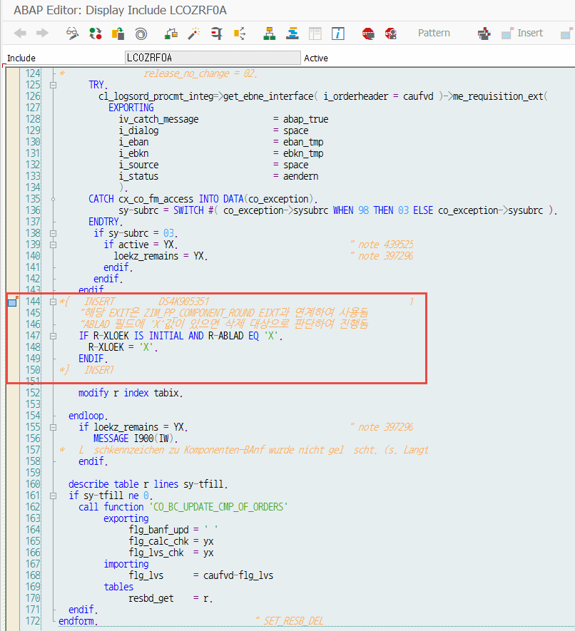
* TECO 해제시 삭제대상 삭제 표기
 | *{ INSERT DS4K905351 1
 | "해당 EXIT은 ZIM_PP_COMPONENT_ROUND EIXT과 연계하여 사용됨
 | "ABLAD 필드에 'X'값이 있으면 삭제 대상으로 판단하여 진행됨
 | IF R-XLOEK IS INITIAL AND R-ABLAD EQ 'X'.
 | R-XLOEK = 'X'.
 | ENDIF.
 | *} INSERT

COGI Exit
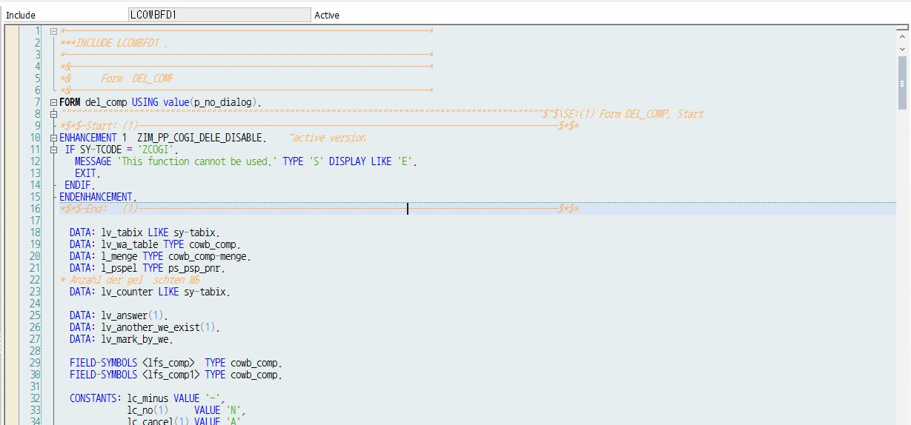
* 삭제버튼 기능 사용 에러 표기
 |  | ENHANCEMENT 1 ZIM_PP_COGI_DELE_DISABLE. "active version
 |  | IF SY-TCODE = 'ZCOGI'.
 |  | MESSAGE 'This function cannot be used.' TYPE 'S' DISPLAY LIKE 'E'.
 |  | EXIT.
 |  | ENDIF.
 |  | ENDENHANCEMENT.

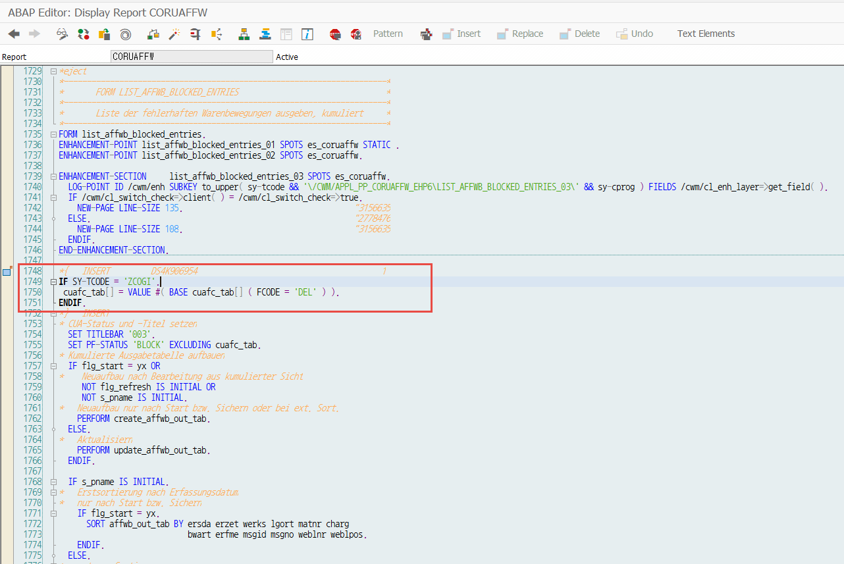
* 삭제버튼 비활성화
 | IF SY-TCODE = 'ZCOGI'.
 | cuafc_tab[] = VALUE #( BASE cuafc_tab[] ( FCODE = 'DEL' ) ).
 | ENDIF.

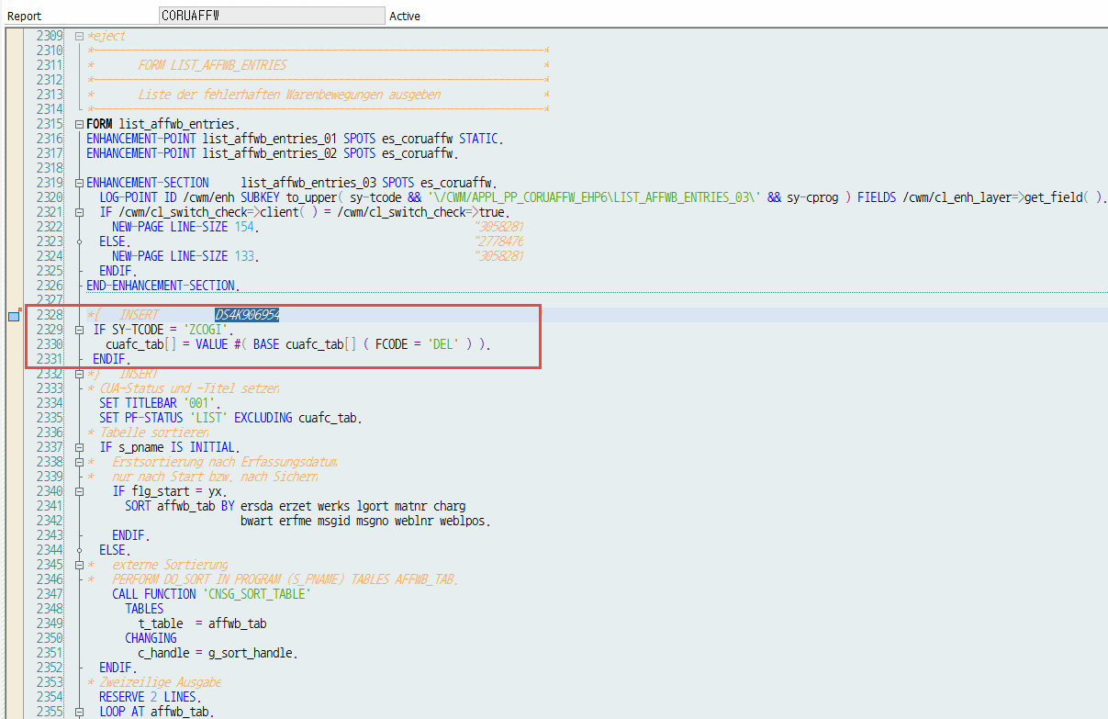
 | IF SY-TCODE = 'ZCOGI'.
 | cuafc_tab[] = VALUE #( BASE cuafc_tab[] ( FCODE = 'DEL' ) ).
 | ENDIF.

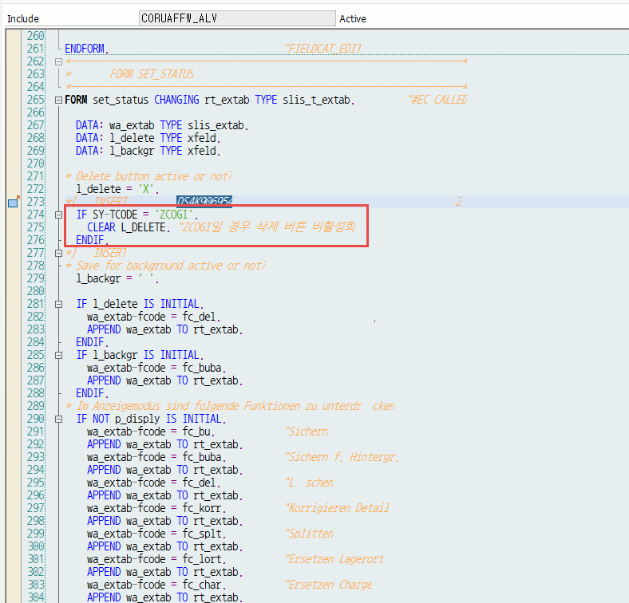
 | IF SY-TCODE = 'ZCOGI'.
 | CLEAR L_DELETE. "ZCOGI일 경우 삭제 버튼 비활성화
 | ENDIF.

MRP 관련 Exit
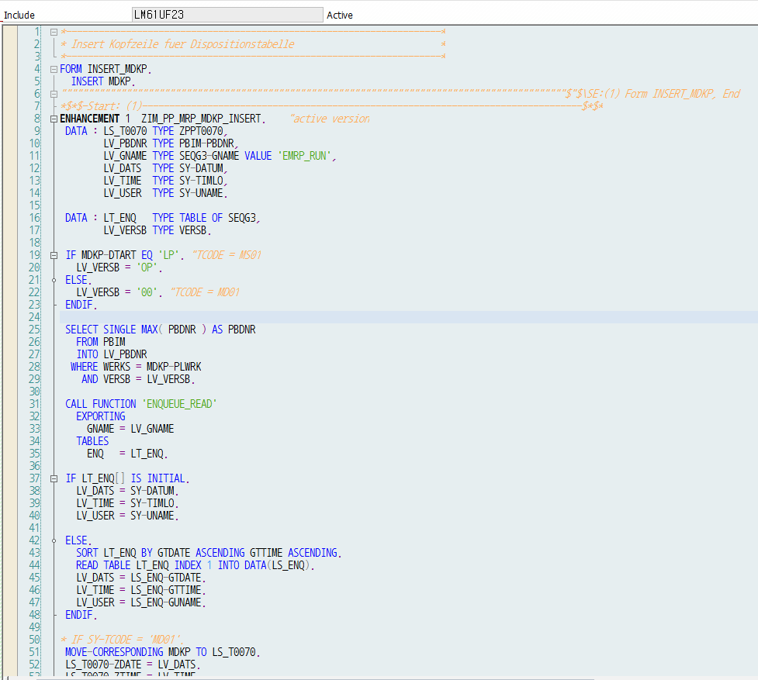
* MRP MDKP 테이블 백업 Exit ( MDKP 테이블에 날짜, 시간 , 유저 추가하여 카피 )
 | ENHANCEMENT 1 ZIM_PP_MRP_MDKP_INSERT. "active version
 | DATA : LS_T0070 TYPE ZPPT0070,
 | LV_PBDNR TYPE PBIM-PBDNR,
 | LV_GNAME TYPE SEQG3-GNAME VALUE 'EMRP_RUN',
 | LV_DATS TYPE SY-DATUM,
 | LV_TIME TYPE SY-TIMLO,
 | LV_USER TYPE SY-UNAME.

 | DATA : LT_ENQ TYPE TABLE OF SEQG3,
 | LV_VERSB TYPE VERSB.

 | IF MDKP-DTART EQ 'LP'. "TCODE = MS01
 | LV_VERSB = 'OP'.
 | ELSE.
 | LV_VERSB = '00'. "TCODE = MD01
 | ENDIF.

 | SELECT SINGLE MAX( PBDNR ) AS PBDNR
 | FROM PBIM
 | INTO LV_PBDNR
 | WHERE WERKS = MDKP-PLWRK
 | AND VERSB = LV_VERSB.

 | CALL FUNCTION 'ENQUEUE_READ'
 | EXPORTING
 | GNAME = LV_GNAME
 | TABLES
 | ENQ = LT_ENQ.

 | IF LT_ENQ[] IS INITIAL.
 | LV_DATS = SY-DATUM.
 | LV_TIME = SY-TIMLO.
 | LV_USER = SY-UNAME.

 | ELSE.
 | SORT LT_ENQ BY GTDATE ASCENDING GTTIME ASCENDING.
 | READ TABLE LT_ENQ INDEX 1 INTO DATA(LS_ENQ).
 | LV_DATS = LS_ENQ-GTDATE.
 | LV_TIME = LS_ENQ-GTTIME.
 | LV_USER = LS_ENQ-GUNAME.
 | ENDIF.

 | * IF SY-TCODE = 'MD01'.
 | MOVE-CORRESPONDING MDKP TO LS_T0070.
 | LS_T0070-ZDATE = LV_DATS.
 | LS_T0070-ZTIME = LV_TIME.
 | LS_T0070-ZUSER = LV_USER.
 | LS_T0070-PBDNR = LV_PBDNR. "소요량 계획
 | INSERT ZPPT0070 FROM LS_T0070.
 | * ENDIF.

 | ENDENHANCEMENT.

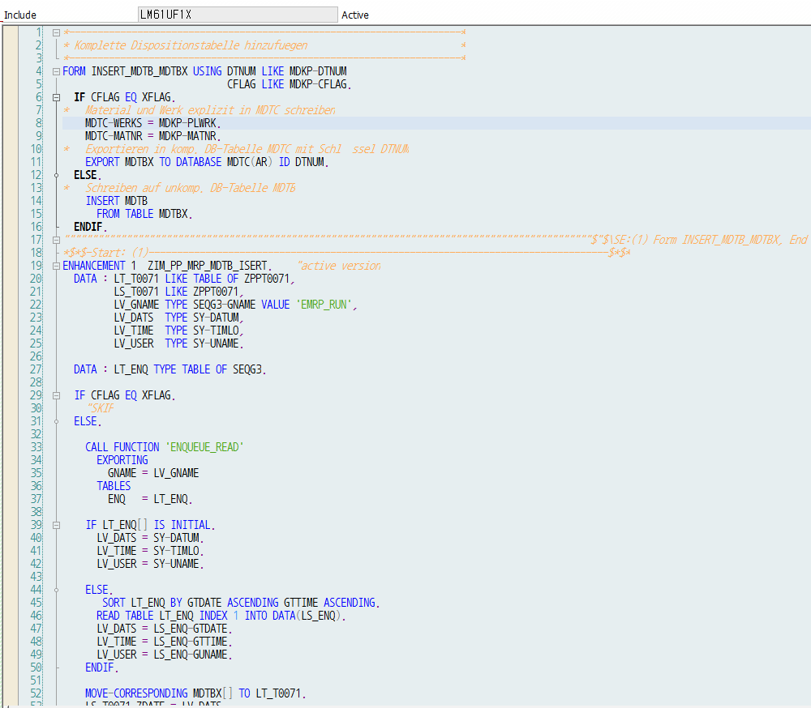
* MRP MDTB테이블 백업 Exit ( MDTB 테이블에 날짜, 시간 , 유저 추가하여 카피 )
 | ENHANCEMENT 1 ZIM_PP_MRP_MDTB_ISERT. "active version
 | DATA : LT_T0071 LIKE TABLE OF ZPPT0071,
 | LS_T0071 LIKE ZPPT0071,
 | LV_GNAME TYPE SEQG3-GNAME VALUE 'EMRP_RUN',
 | LV_DATS TYPE SY-DATUM,
 | LV_TIME TYPE SY-TIMLO,
 | LV_USER TYPE SY-UNAME.

 | DATA : LT_ENQ TYPE TABLE OF SEQG3.

 | IF CFLAG EQ XFLAG.
 | "SKIP
 | ELSE.

 | CALL FUNCTION 'ENQUEUE_READ'
 | EXPORTING
 | GNAME = LV_GNAME
 | TABLES
 | ENQ = LT_ENQ.

 | IF LT_ENQ[] IS INITIAL.
 | LV_DATS = SY-DATUM.
 | LV_TIME = SY-TIMLO.
 | LV_USER = SY-UNAME.

 | ELSE.
 | SORT LT_ENQ BY GTDATE ASCENDING GTTIME ASCENDING.
 | READ TABLE LT_ENQ INDEX 1 INTO DATA(LS_ENQ).
 | LV_DATS = LS_ENQ-GTDATE.
 | LV_TIME = LS_ENQ-GTTIME.
 | LV_USER = LS_ENQ-GUNAME.
 | ENDIF.

 | MOVE-CORRESPONDING MDTBX[] TO LT_T0071.
 | LS_T0071-ZDATE = LV_DATS.
 | LS_T0071-ZTIME = LV_TIME.
 | LS_T0071-ZUSER = LV_USER.

 | MODIFY LT_T0071 FROM LS_T0071 TRANSPORTING ZDATE ZTIME ZUSER
 | WHERE ZUSER IS INITIAL.

 | INSERT ZPPT0071
 | FROM TABLE LT_T0071.
 | ENDIF.
 | ENDENHANCEMENT.

